Jumia Bug Report
ID | Title | Description | Steps | Expected Result | Actual Result | Created By | Status | priority | Severity | TC_ID | System Info | Comment | Attachment
BUG_ImageCrashed_01 | Images Crashed in Men’s Section of Categorize Page (Arabic Version) | Two images fail to load properly in the Men’s section when scrolling through the Categorize page in the Arabic version of the app | 1-Open the Jumia app on iOS 18. 2-Change the app language to Arabic. 3-Navigate to the "Categorize" section from the home page. 4-Scroll down to the "Men" section. 5-Observe that two images are not displayed correctly (they appear broken/crashed). | All product images should display correctly without any crashes. | Two images in the "Men" section of the Categorize page do not load, showing broken image icons. | Shrouk Mostafa | Open | 2 | Medium | TC_CategoryScroll_02 | iPhone 11 Pro Max, iOS 18, Jumia App Version 16.5.0 | The issue was tested in the Arabic version of the app. The images in other sections appeared to be working fine, and the issue was specific to the "Men" section. | 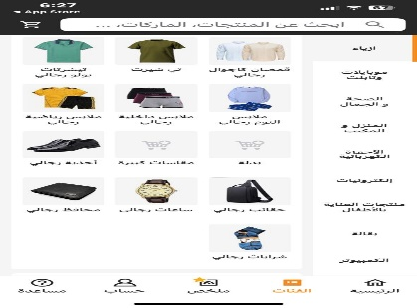
BUG_Countryname_02 | Country name displayed in English in the Help section despite selecting Arabic language | When navigating to the "Help" section of the Jumia mobile app, the country name is displayed in English, even though Arabic was selected as the language in the app's settings. | 1-Open the Jumia app on an iPhone with iOS 18. 2-Go to "Settings" and select Arabic as the preferred language. 3-Navigate to the "Help" section of the app. 4-Observe that the country name is displayed in English, while the rest of the interface is in Arabic. | The country name should be displayed in Arabic, consistent with the selected language setting. | The country name remains in English, even when Arabic is selected as the app language. | Shrouk Mostafa | Open | 2 | Low | TC_Language_Selection_03 | iPhone 11 Pro Max, iOS 18, Jumia App Version 16.5.0 | This issue does not impact functionality but affects user experience, especially for Arabic-speaking users who expect full translation. The problem seems to be isolated to the Help section, as other parts of the app display the selected language correctly. | 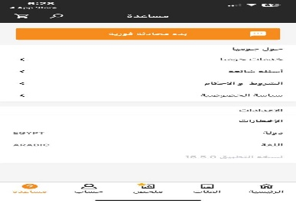
BUG_languagename_03 | Language name displayed in English in the Help section despite selecting Arabic language | When navigating to the "Help" section of the Jumia mobile app, the language name is displayed in English, even though Arabic was selected as the language in the app's settings. | 1-Open the Jumia app on an iPhone with iOS 18. 2-Go to "Settings" and select Arabic as the preferred language. 3-Navigate to the "Help" section of the app. 4-Observe that the language name is displayed in English, while the rest of the interface is in Arabic. | The language name should be displayed in Arabic, consistent with the selected language setting. | The language name remains in English, even when Arabic is selected as the app language. | Shrouk Mostafa | Open | 2 | Low | TC_Language_Selection_03 | iPhone 11 Pro Max, iOS 18, Jumia App Version 16.5.0 | This issue does not impact functionality but affects user experience, especially for Arabic-speaking users who expect full translation. The problem seems to be isolated to the Help section, as other parts of the app display the selected language correctly.
BUG_exploretab_04 | Explore Tab Not Translated in Feed Section (Arabic Language) | When the app language is set to Arabic, the "Explore" tab in the feed section remains untranslated, displaying the word in English instead of Arabic. This creates inconsistency in the user interface for Arabic users. | 1-Open the Jumia app on an iPhone with iOS 18. 2-Go to the settings and select "Arabic" as the preferred language. 3-Navigate to the feed section. Observe the "Explore" tab at the Top of the screen. | The "Explore" tab should be translated into Arabic to match the selected language setting. | The "Explore" tab remains in English, while the rest of the interface is correctly translated into Arabic. | Shrouk Mostafa | Open | 2 | Low | TC_UI_Translation_03 | iPhone 11 Pro Max, iOS 18, Jumia App Version 16.5.0 | This issue affects the user experience for Arabic-speaking users by causing inconsistency in the app's language translation. Resolving this will improve the localization quality of the app.
BUG_followingtab_05 | Following Tab Not Translated in Feed Section (Arabic Language) | When the app language is set to Arabic, the "Following" tab in the feed section remains untranslated, displaying the word in English instead of Arabic. This creates inconsistency in the user interface for Arabic users. | 1-Open the Jumia app on an iPhone with iOS 18. 2-Go to the settings and select "Arabic" as the preferred language. 3-Navigate to the feed section. Observe the "Following" tab at the Top of the screen. | The "Following" tab should be translated into Arabic to match the selected language setting. | The "Following" tab remains in English, while the rest of the interface is correctly translated into Arabic. | Shrouk Mostafa | Open | 2 | Low | TC_UI_Translation_03 | iPhone 11 Pro Max, iOS 18, Jumia App Version 16.5.0 | This issue affects the user experience for Arabic-speaking users by causing inconsistency in the app's language translation. Resolving this will improve the localization quality of the app.
BUG_SearchFunctionality_06 | Unrelated products displayed when searching for "laptop" in Arabic | When performing a search using the Arabic word for "laptop" (لاب توب), some unrelated products are displayed in the search results. The displayed items do not align with the intended search query for laptop-related products, leading to a confusing user experience | Go to the website’s main search bar. Enter the Arabic word "لاب توب" (the Arabic term for "laptop") into the search bar. Press Enter or click the search icon. Observe the products listed in the search results. | Only laptop-related products or accessories relevant to the search query "لاب توب" should appear in the search results. | Some products displayed in the search results are not related to laptops or laptop accessories, such as unrelated electronics or other categories of products. | Shrouk Mostafa | Open | 1 | Medium | TC_SearchFunctionality_Arabic_01 | Oppo a 76, Android 13.0, Jumia App Version 16.4.1 | The search functionality should accurately interpret Arabic terms and display relevant results, especially for commonly searched items like laptops. This issue may affect Arabic-speaking users’ ability to find desired products quickly.

